Data Aug Details
Speaker | Layer Frozen | Training Loss Graph | Training Accuracy Graph | Accuracy | % Change from Normal

F05 | Augmented_F05_D3 | 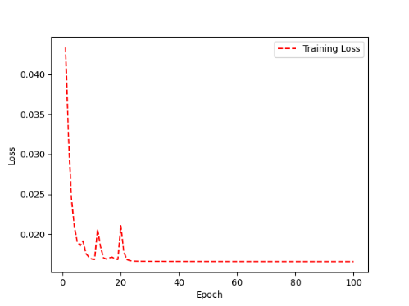 | 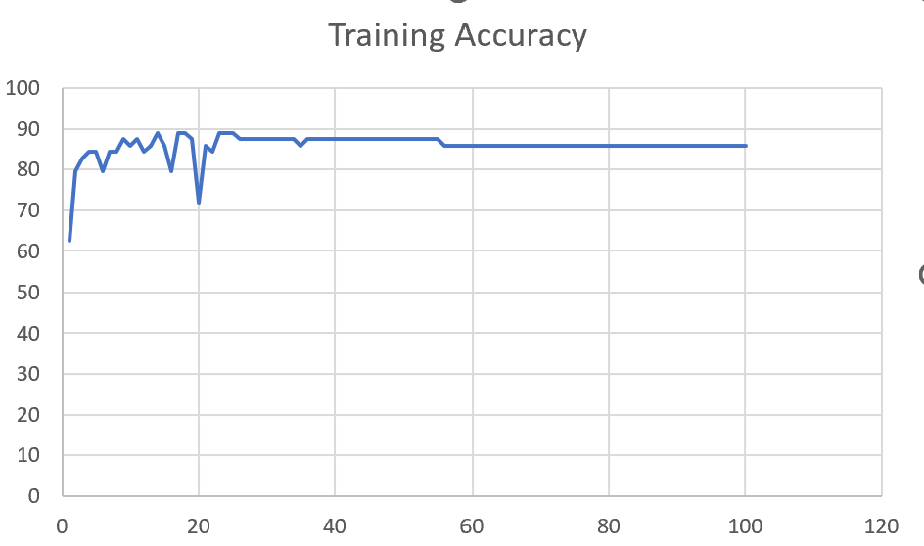 | 93 | 2

 | Augmented_F05_TE | 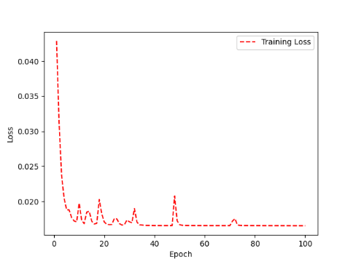 | 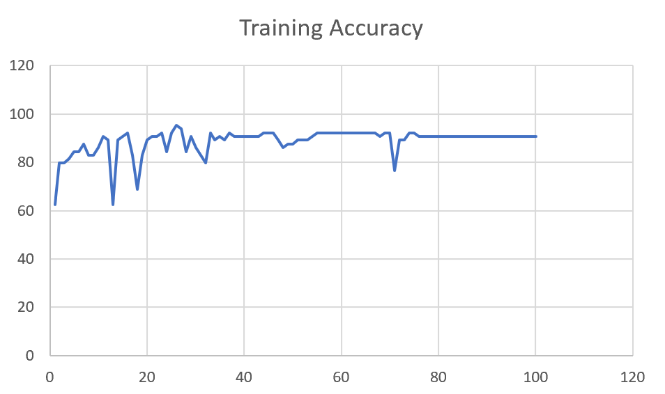 | 93 | 3

M08 | Augmented_M08_T3+D123 | 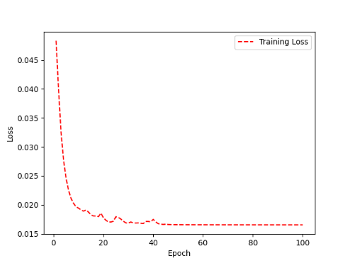 | 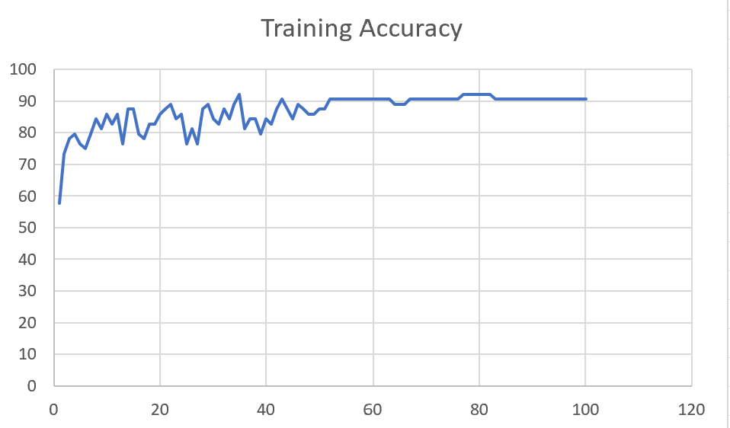 | 88 | 4

 | Augmented_M08_T3+D12 | 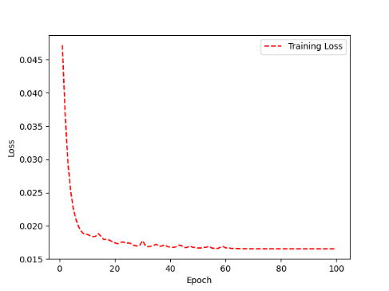 | 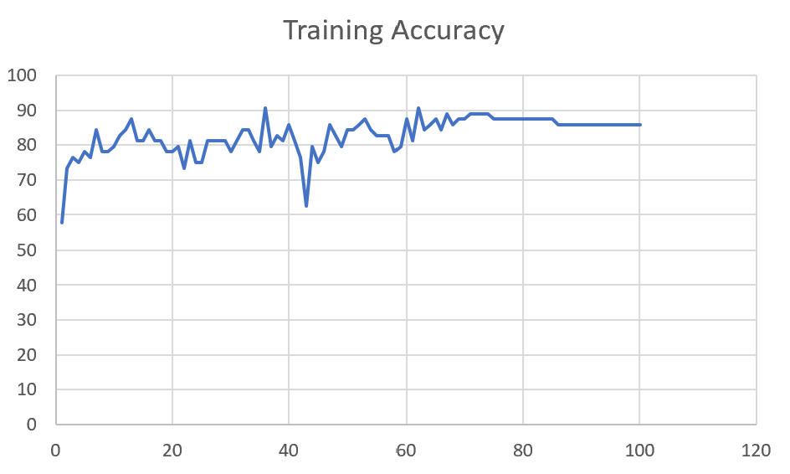 | 88 | 6

M10 | Augmented_M10_T3+D1 | 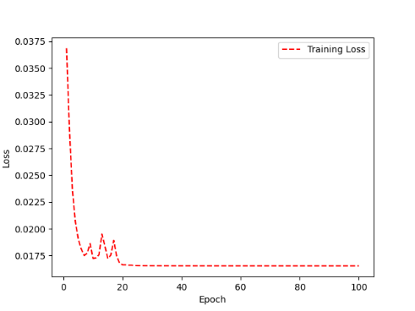 | 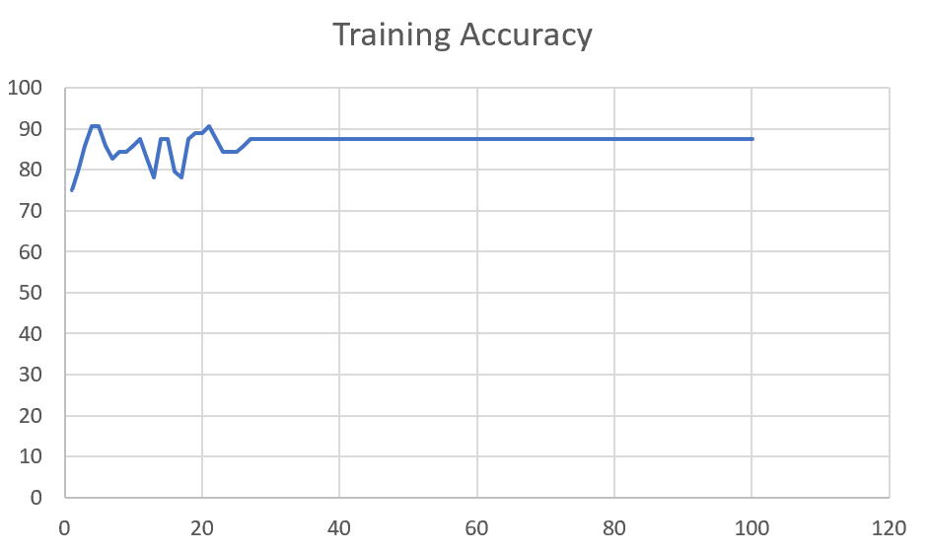 | 91 | -1

 | Augmented_M10_E1 | 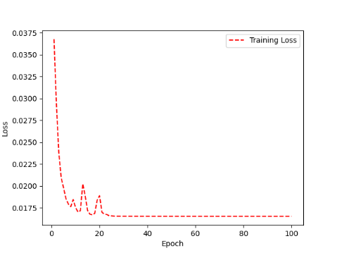 | 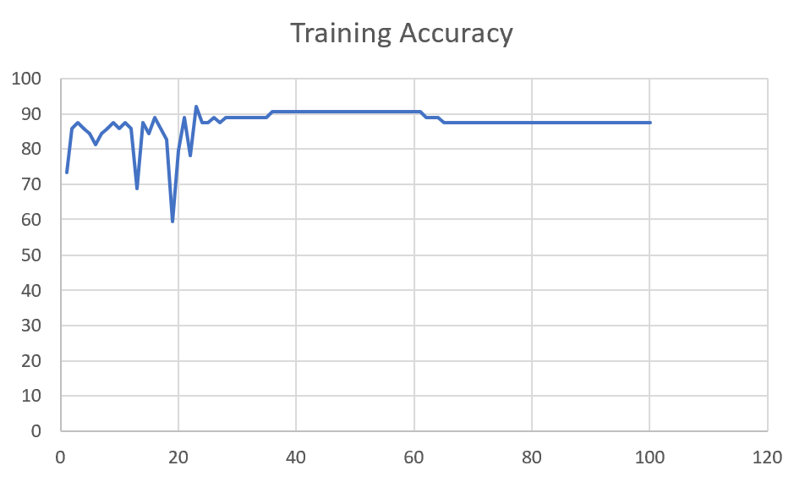 | 91 | 0

M14 | Augmented_M14_D3 | 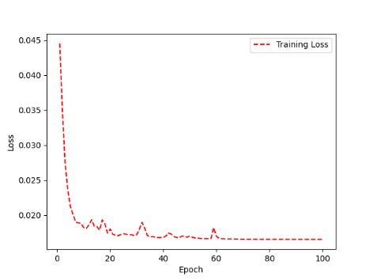 | 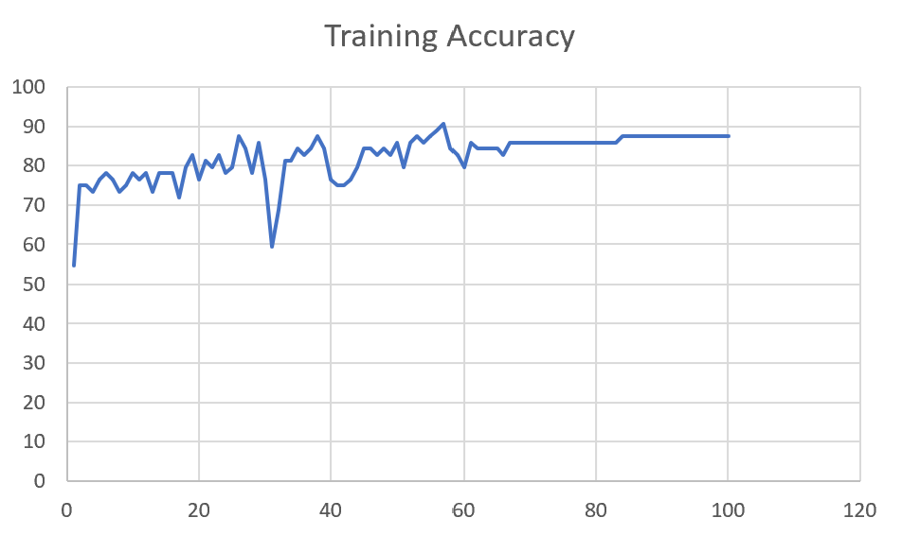 | 84

 | Augmented_M14_T3+D1 | 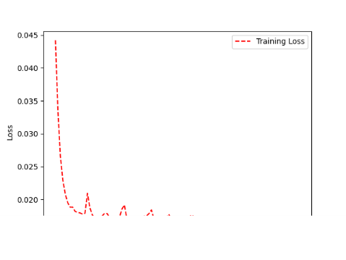 | 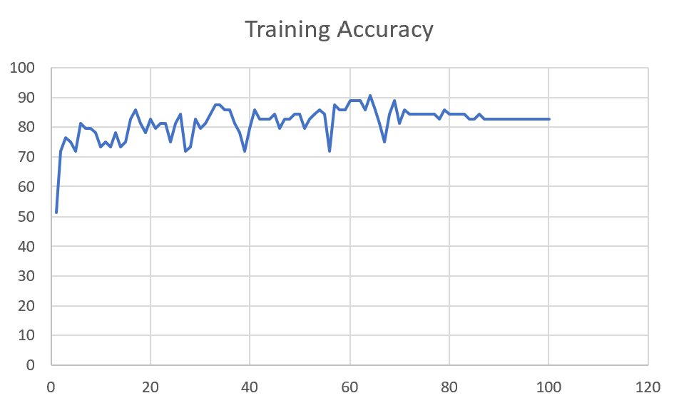 | 85

M09 | Augmented_M09_D3 | 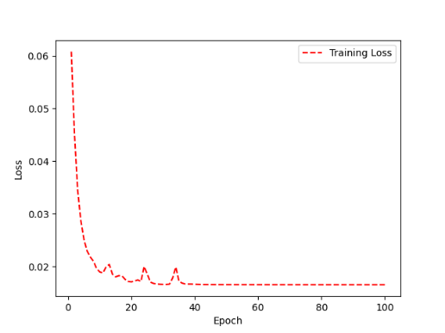 | 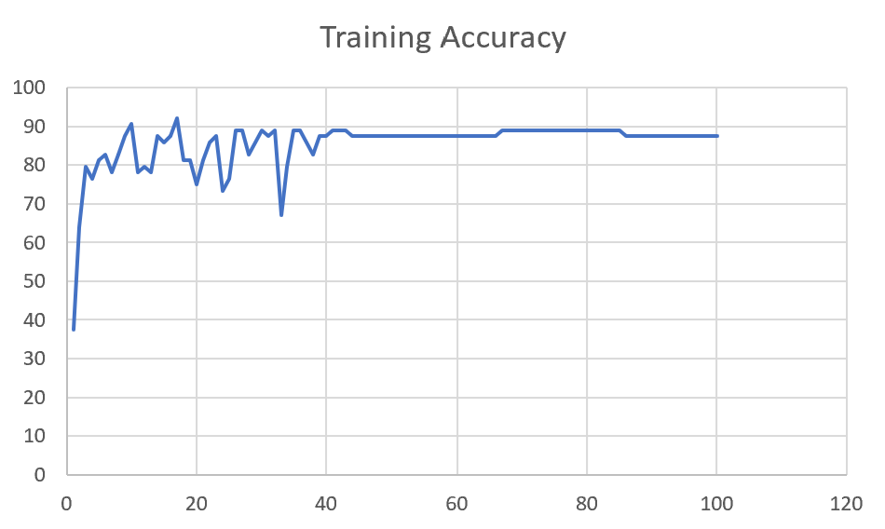 | 84

 | Augmented_M09_TE | 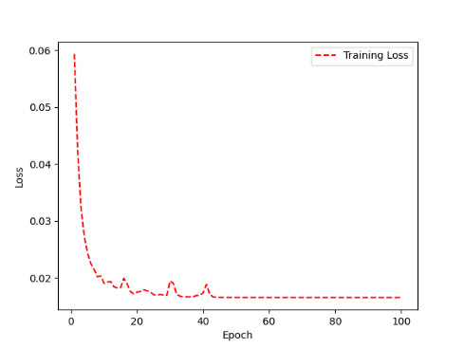 | 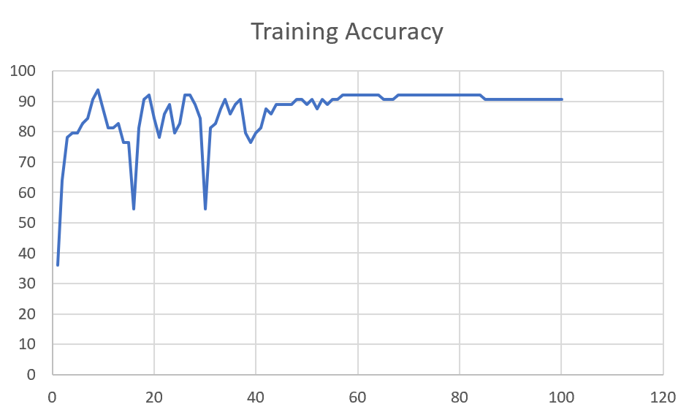 | 82

F04 | Augmented_F04_TE | 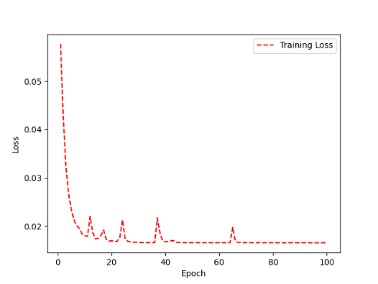 | 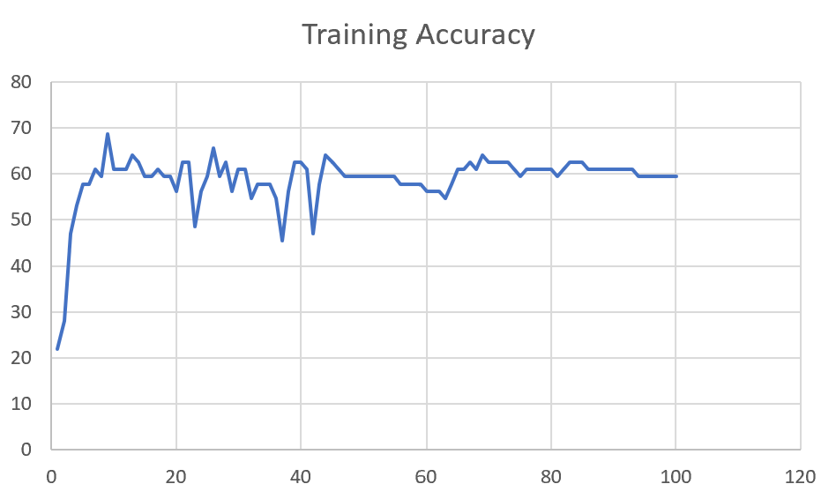 | 69

 | Augmented_F04_TE+D1 | 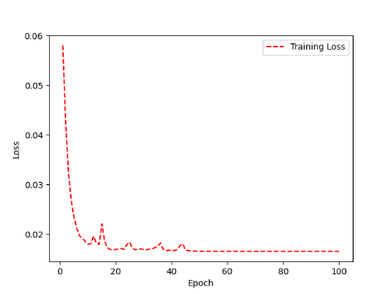 | 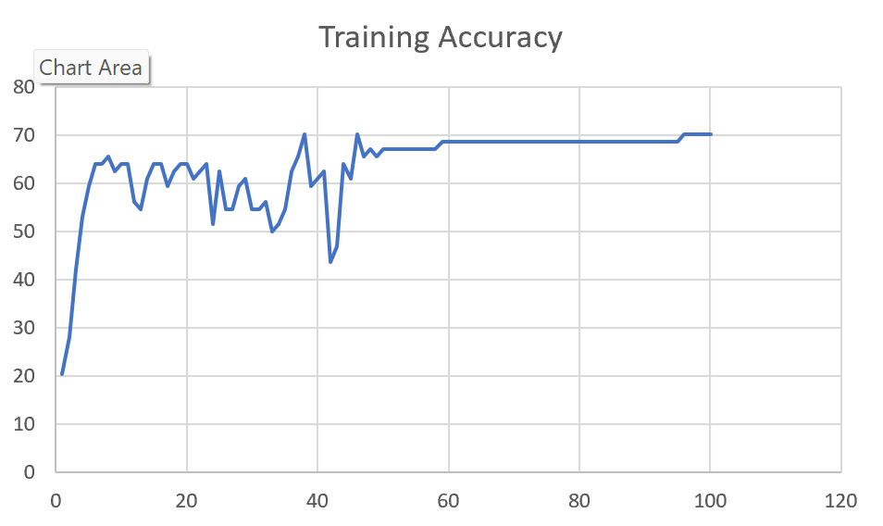 | 72

M11 | Augmented_M11_TE | 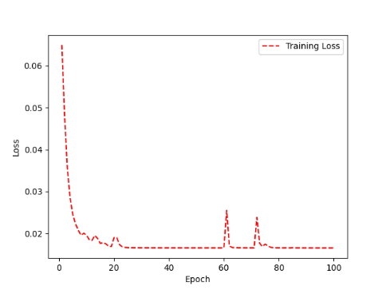 | 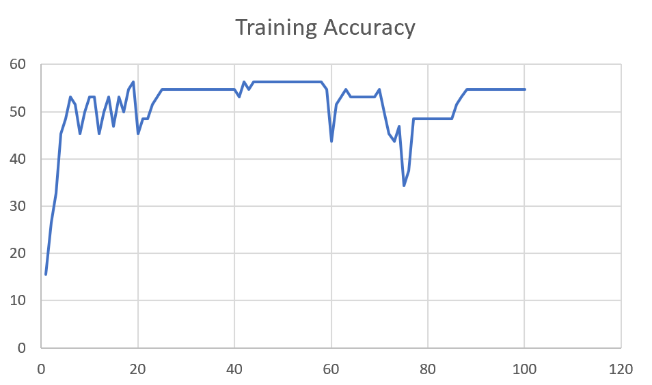 | 55

 | Augmented_M11_D3 | 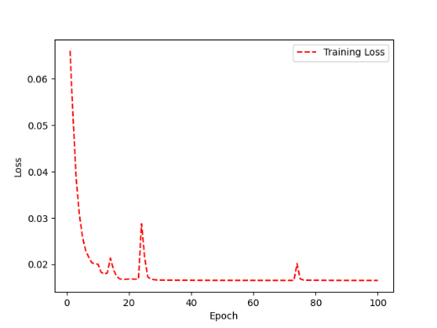 | 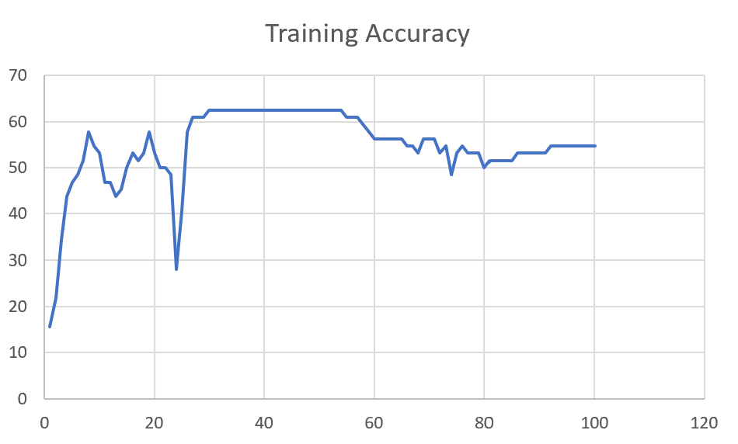 | 58

M05 | Augmented_M05_D3 | 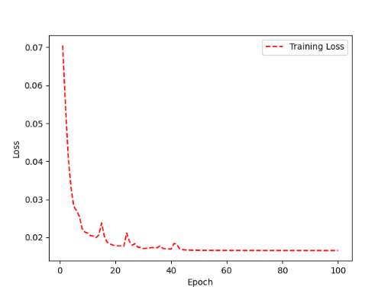 | 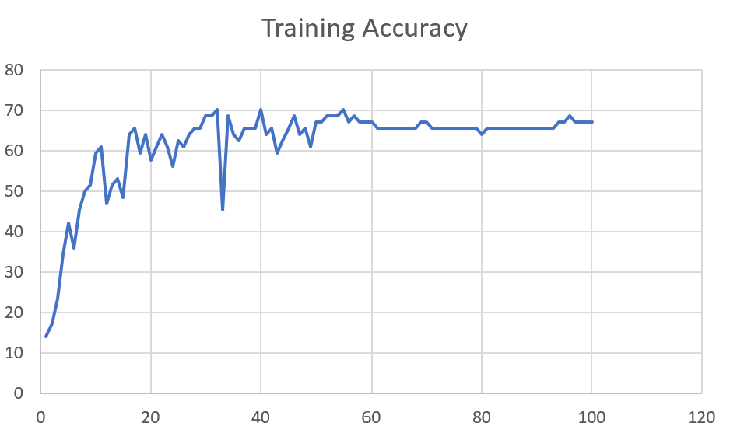 | 66

 | Augmented_M05_TE+D1

M16 | Augmented_M16_D3 | 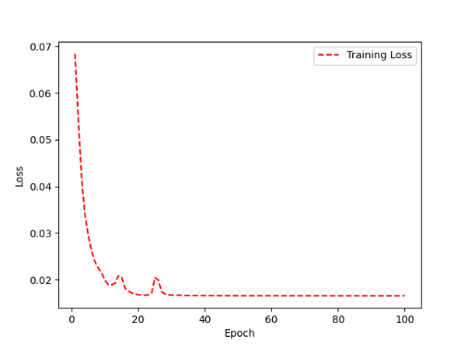 | 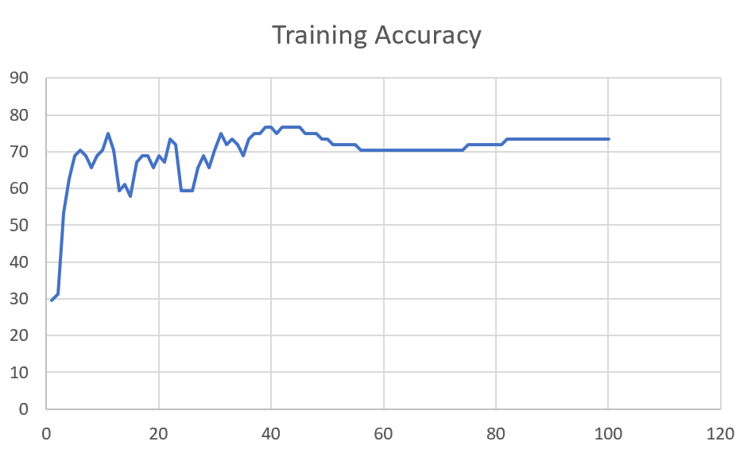 | 70

 | Augmented_M16_TE+D1

F02 | Augmented_F02_TE | 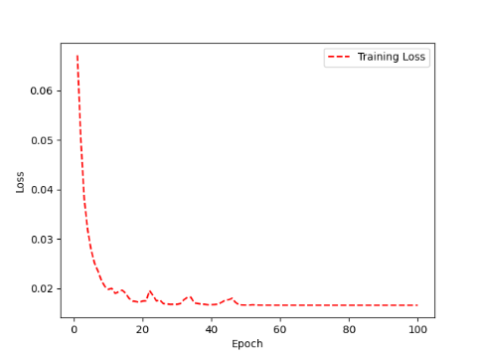 | 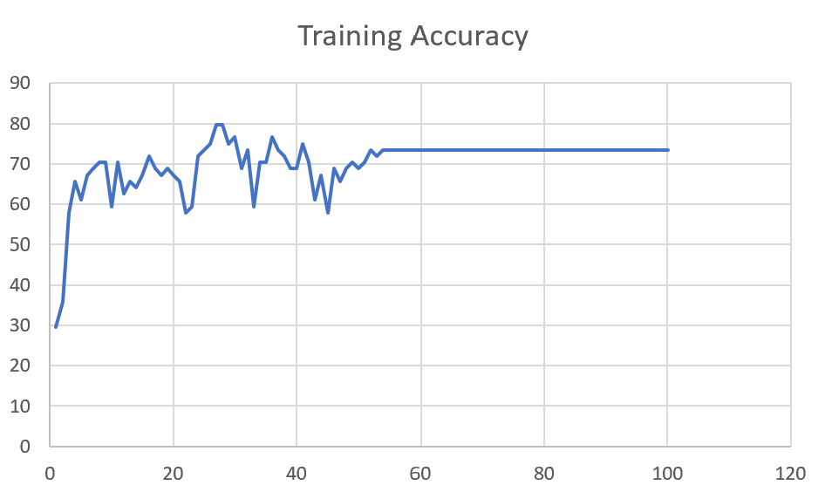 | 74

 | Augmented_M05_TE+D1

M07 | Augmented_M07_D3 | 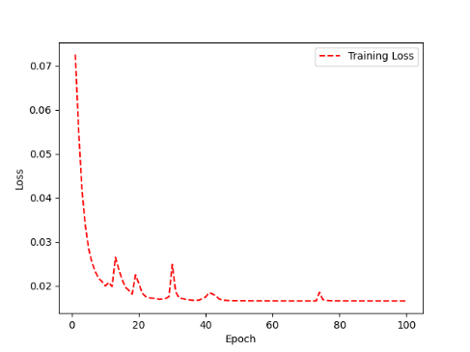 | 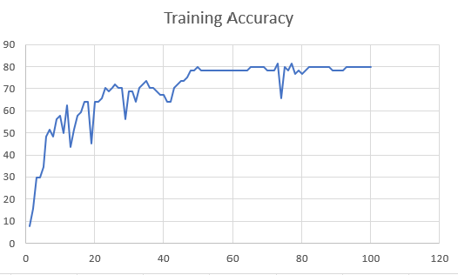 | 76

 | Augmented_M07_TE+D12

M01 | Augmented_M05_D3

 | Augmented_M05_TE+D1 | 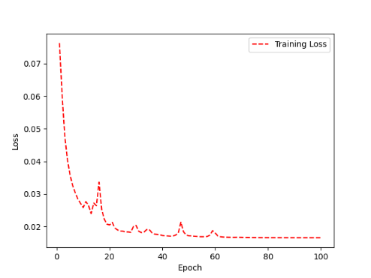 | 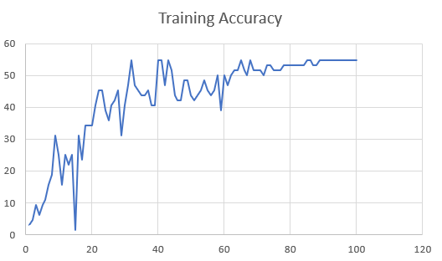 | 51

M12 | Augmented_M12_TE+D1

 | Augmented_M12_D3

F03 | Augmented_F03_TE+D1

 | Augmented_F03_TE

M04 | Augmented_M04_TE

 | Augmented_M04_E1

Sheet1
 |  |  | Training Accuracy
0 | 0.96875 | 1 | 3.125
1 | 0.953125 | 2 | 4.6875
2 | 0.90625 | 3 | 9.375
3 | 0.9375 | 4 | 6.25
4 | 0.90625 | 5 | 9.375
5 | 0.890625 | 6 | 10.9375
6 | 0.84375 | 7 | 15.625
7 | 0.8125 | 8 | 18.75
8 | 0.6875 | 9 | 31.25
9 | 0.75 | 10 | 25
10 | 0.84375 | 11 | 15.625
11 | 0.75 | 12 | 25
12 | 0.78125 | 13 | 21.875
13 | 0.75 | 14 | 25
14 | 0.984375 | 15 | 1.5625
15 | 0.6875 | 16 | 31.25
16 | 0.765625 | 17 | 23.4375
17 | 0.65625 | 18 | 34.375
18 | 0.65625 | 19 | 34.375
19 | 0.65625 | 20 | 34.375
20 | 0.59375 | 21 | 40.625
21 | 0.546875 | 22 | 45.3125
22 | 0.546875 | 23 | 45.3125
23 | 0.609375 | 24 | 39.0625
24 | 0.640625 | 25 | 35.9375
25 | 0.59375 | 26 | 40.625
26 | 0.578125 | 27 | 42.1875
27 | 0.546875 | 28 | 45.3125
28 | 0.6875 | 29 | 31.25
29 | 0.59375 | 30 | 40.625
30 | 0.53125 | 31 | 46.875
31 | 0.453125 | 32 | 54.6875
32 | 0.53125 | 33 | 46.875
33 | 0.546875 | 34 | 45.3125
34 | 0.5625 | 35 | 43.75
35 | 0.5625 | 36 | 43.75
36 | 0.546875 | 37 | 45.3125
37 | 0.59375 | 38 | 40.625
38 | 0.59375 | 39 | 40.625
39 | 0.453125 | 40 | 54.6875
40 | 0.453125 | 41 | 54.6875
41 | 0.53125 | 42 | 46.875
42 | 0.453125 | 43 | 54.6875
43 | 0.484375 | 44 | 51.5625
44 | 0.5625 | 45 | 43.75
45 | 0.578125 | 46 | 42.1875
46 | 0.578125 | 47 | 42.1875
47 | 0.515625 | 48 | 48.4375
48 | 0.515625 | 49 | 48.4375
49 | 0.5625 | 50 | 43.75
50 | 0.578125 | 51 | 42.1875
51 | 0.5625 | 52 | 43.75
52 | 0.546875 | 53 | 45.3125
53 | 0.515625 | 54 | 48.4375
54 | 0.546875 | 55 | 45.3125
55 | 0.5625 | 56 | 43.75
56 | 0.546875 | 57 | 45.3125
57 | 0.5 | 58 | 50
58 | 0.609375 | 59 | 39.0625
59 | 0.5 | 60 | 50
60 | 0.53125 | 61 | 46.875
61 | 0.5 | 62 | 50
62 | 0.484375 | 63 | 51.5625
63 | 0.484375 | 64 | 51.5625
64 | 0.453125 | 65 | 54.6875
65 | 0.484375 | 66 | 51.5625
66 | 0.5 | 67 | 50
67 | 0.453125 | 68 | 54.6875
68 | 0.484375 | 69 | 51.5625
69 | 0.484375 | 70 | 51.5625
70 | 0.484375 | 71 | 51.5625
71 | 0.5 | 72 | 50
72 | 0.46875 | 73 | 53.125
73 | 0.46875 | 74 | 53.125
74 | 0.484375 | 75 | 51.5625
75 | 0.484375 | 76 | 51.5625
76 | 0.484375 | 77 | 51.5625
77 | 0.46875 | 78 | 53.125
78 | 0.46875 | 79 | 53.125
79 | 0.46875 | 80 | 53.125
80 | 0.46875 | 81 | 53.125
81 | 0.46875 | 82 | 53.125
82 | 0.46875 | 83 | 53.125
83 | 0.46875 | 84 | 53.125
84 | 0.453125 | 85 | 54.6875
85 | 0.453125 | 86 | 54.6875
86 | 0.46875 | 87 | 53.125
87 | 0.46875 | 88 | 53.125
88 | 0.453125 | 89 | 54.6875
89 | 0.453125 | 90 | 54.6875
90 | 0.453125 | 91 | 54.6875
91 | 0.453125 | 92 | 54.6875
92 | 0.453125 | 93 | 54.6875
93 | 0.453125 | 94 | 54.6875
94 | 0.453125 | 95 | 54.6875
95 | 0.453125 | 96 | 54.6875
96 | 0.453125 | 97 | 54.6875
97 | 0.453125 | 98 | 54.6875
98 | 0.453125 | 99 | 54.6875
99 | 0.453125 | 100 | 54.6875
<__main__.DisplayOutputs object at 0x7f6e08509b20> | 0.453125 | #VALUE! | 54.6875
<__main__.DisplayOutputs object at 0x7f6e08509b20> | 0.484375 | #VALUE! | 51.5625
<__main__.DisplayOutputs object at 0x7f6e08509b20> | 0.546875 | #VALUE! | 45.3125
<__main__.DisplayOutputs object at 0x7f6e08509b20> | 0.515625 | #VALUE! | 48.4375
<__main__.DisplayOutputs object at 0x7f6e08509b20> | 0.453125 | #VALUE! | 54.6875
<__main__.DisplayOutputs object at 0x7f6e08509b20> | 0.46875 | #VALUE! | 53.125
<__main__.DisplayOutputs object at 0x7f6e08509b20> | 0.46875 | #VALUE! | 53.125
<__main__.DisplayOutputs object at 0x7f6e08509b20> | 0.52941176471 | #VALUE! | 47.058823529
 |  | 1 | 100
 |  | 1 | 100
 |  | 1 | 100
 |  | 1 | 100
 |  | 1 | 100
 |  | 1 | 100
 |  | 1 | 100
 |  | 1 | 100
 |  | 1 | 100
<__main__.DisplayOutputs object at 0x7fcfe04bb910> | 0.640625
<__main__.DisplayOutputs object at 0x7fcfe04bb910> | 0.50819672131

